Sheet1
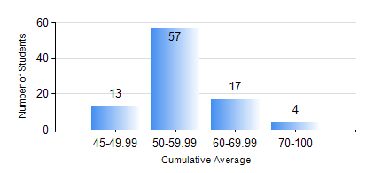
 |  |  | KWAME NKRUMAH UNIVERSITY OF SCIENCE AND TECHNOLOGY, KUMASI Department of Agricultural and Biosystems Engineering

 |  |  | BSC. AGRICULTURAL ENG.

 |  |  | COMPREHENSIVE RECORD OF EXAMINATION RESULTS

 |  |  | RESULTS OF YEAR 4 FIRST SEMESTER, 2019/2020 ACADEMIC YEAR

 | Sn | Course Code |  | Course Name | Credit Hours | Min. Mark | Max. Mark | Avg. Mark | Std. Dev. | No. Passed | No. Trailed | No. (Df) | No. (I) | No. (I*) | No. Tagged(I,I*,Df) | Total
 | 1. | AE 451 |  | IRRIGATION AND DRAINAGE | 3 | 40 | 91 | 73 | 10.87 | 91 | 0 | 0 | 0 | 0 | 0 | 91
 | 2. | AE 453 |  | ENVIRONMENTAL CONTROL AND LIVESTOCK HOUSING | 2 | 40 | 90 | 59 | 12.2 | 91 | 0 | 0 | 0 | 0 | 0 | 91
 | 3. | AE 457 |  | CROP PROCESSING | 2 | 54 | 79 | 66 | 6.18 | 91 | 0 | 0 | 0 | 0 | 0 | 91
 | 4. | AE 459 |  | ADVANCED FARM POWER AND MACHINERY | 3 | 40 | 82 | 60 | 10.63 | 91 | 0 | 0 | 0 | 0 | 0 | 91
 | 5. | AE 471 |  | FARM STRUCTURES | 3 | 40 | 89 | 57 | 10.59 | 91 | 0 | 0 | 0 | 0 | 0 | 91
 | 6. | AE 497 |  | PROJECT I | 1 | 50 | 84 | 68 | 7.44 | 91 | 0 | 0 | 0 | 0 | 0 | 91
 | 7. | AE 499 |  | VACATION TRAINING | 2 | 41 | 96 | 78 | 8.76 | 91 | 0 | 0 | 0 | 0 | 0 | 91
 | 8. | ME 491 |  | ENGINEERING ECONOMICS AND MANAGEMENT | 3 | 40 | 70 | 54 | 6.59 | 91 | 0 | 0 | 0 | 0 | 0 | 91

